Sheet1
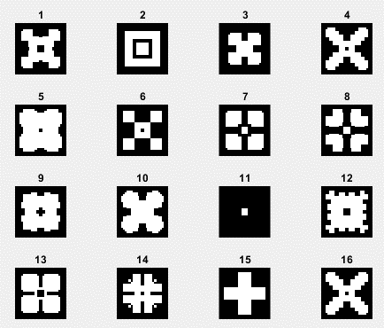
cell | phase (a) | standard phase (a) | phase error(A) | phase C | standard phase (c) | phase error(C) | amp(A) | amp(C) | cell#
1 | 6.9336478622 | 0 | 6.9336478622 | 3.8984936832 | 0 | 3.8984936832 | 0.40267573573 | 0.50437047585 | 59228
2 | 0.18119355633 | 0 | 0.18119355633 | 89.704709355 | 90 | 0.29529064494 | 0.49718002997 | 0.69715635208 | 92320
3 | 0.73263264424 | 0 | 0.73263264424 | 179.32624057 | 180 | 0.67375942975 | 0.4140874056 | 0.68382787943 | 62578
4 | 1.0198340151 | 0 | 1.0198340151 | 271.98252292 | 270 | 1.9825229215 | 0.4978472494 | 0.44965325139 | 52072
5 | 89.772739769 | 90 | 0.22726023105 | 359.5838204 | 0 | 0.4161796002 | 0.80880999979 | 0.84971850108 | 62460
6 | 90.066018611 | 90 | 0.066018610951 | 89.602902264 | 90 | 0.39709773638 | 0.89432439359 | 0.40756935013 | 63941
7 | 86.626149733 | 90 | 3.3738502674 | 176.42183366 | 180 | 3.5781663443 | 0.93132815491 | 0.45844713307 | 86928
8 | 84.962654909 | 90 | 5.0373450906 | 263.90936276 | 270 | 6.0906372372 | 0.92949818762 | 0.50047319836 | 98412
9 | 180.61861648 | 180 | 0.61861648434 | 359.77271639 | 0 | 0.22728361239 | 0.76111327922 | 0.521661969 | 99948
10 | 182.96446451 | 180 | 2.9644645098 | 91.056507573 | 90 | 1.0565075728 | 0.64552840898 | 0.43232879989 | 7564
11 | 159.26634132 | 180 | 20.733658675 | 151.11166333 | 180 | 28.888336665 | 0.96832994062 | 0.96950558367 | 84580
12 | 170.63182334 | 180 | 9.368176657 | 342.53213112 | 270 | 72.532131124 | 0.71156201976 | 0.40079053878 | 98639
13 | 267.91138252 | 270 | 2.0886174757 | 5.2846794148 | 0 | 5.2846794148 | 0.44498724159 | 0.43554476001 | 64144
14 | 272.01685545 | 270 | 2.0168554494 | 88.021161045 | 90 | 1.9788389546 | 0.48914286638 | 0.86032295658 | 23092
15 | 316.01692357 | 270 | 46.016923573 | 132.11269013 | 180 | 47.88730987 | 0.5815923934 | 0.92073484832 | 88034
16 | 361.01983402 | 270 | 91.019834015 | 271.98252292 | 270 | 1.9825229215 | 0.4978472494 | 0.44965325139 | 52072

